Steps
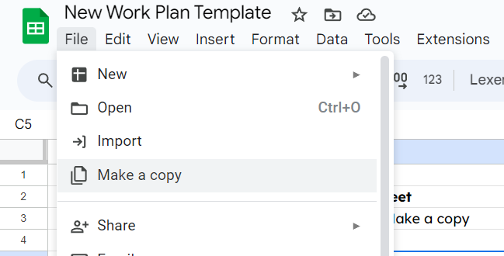
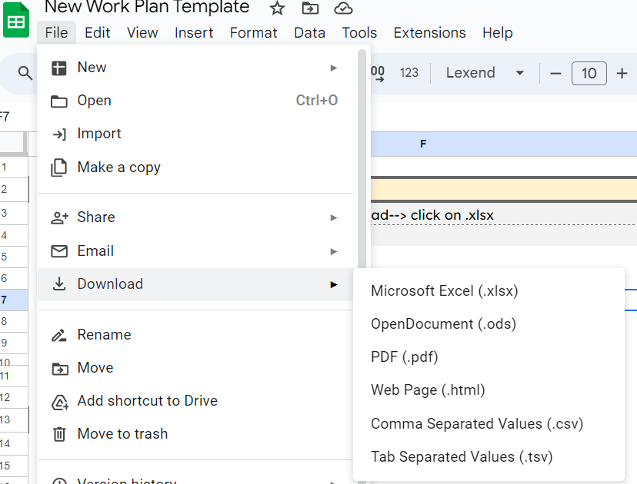
Step 1 | Make a Copy of the Sheet | Step 5 | Download the Workplan
1.1 | Click on File-->click on Make a copy | 5.1 | Click on File-->click on Download--> click on .xlsx
1.2 |  | 5.2

1.3 | Now you can edit the sheet and complete the Work Plan

Step 2 | Set the goals
2.1 | Go through the Overview of the Menternship
2.2 | Visualize the final output required for the Menternship | Watch the Tutorial Video
2.3 | Write down the skills that you will learn by the completion of the Menternship. Eg. - "Market Research", "Data Visualisation".
2.4 | Add the learnings you want by the completion of the Menternship. Eg. - 'Learn how to create a content calendar for a social media campaign' | ⏯️Click Here

Step 3 | Describe the major constraints
3.1 | Add the major constraints in completing the menternship. Eg. - 'How to create a automated dashboard for orders received on a customer form"
3.2 | Breakdown the constraints in smaller sections. Eg. - 'How would you handle missing values in a dataset?'
3.3 | Get assistance on overcoming the constraints in the Mentor Sessions
3.4 | Add resources (online links, videos, etc.) to resolve constraints
3.5 | In case you are not able to locate a resource you can request the mentor to provide the resource
3.6 | You can update the workplan regularly, add newer constraints and resources. They will help you execute similiar tasks in the future

Step 4 | Set the schedule for completing the Menternship
4.1 | Add the start date for the Menternship
4.2 | Check the deadlines for the components and add reminders on your calendar
4.3 | Mark the deadlines as they are completed
4.4 | Technical Menternships require approx. 25 working hours & non-technical menternhips require 15-20 working hours to complete

